NOTES
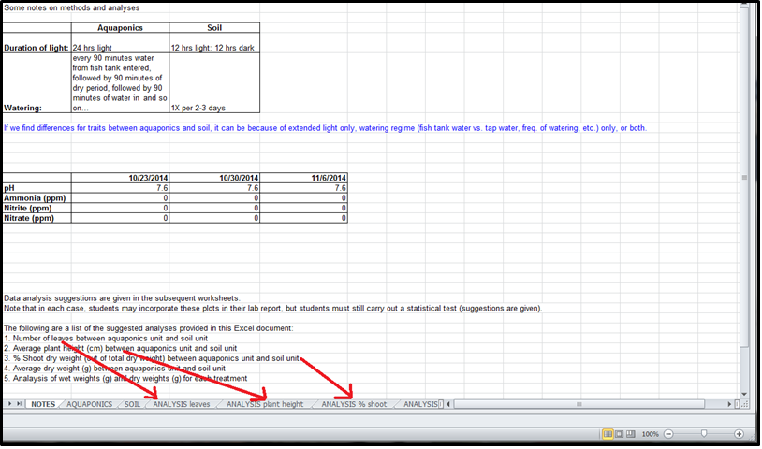
Some notes on methods and analyses

 | Aquaponics | Soil |  | Seeds soaked on 11/7/14 (Fri night). Wet towel bottom and overlaid by porous wet paper towel above. | (NOTE: Previous expt seeds were soaked Sunday night)
Duration of light: | 12 hrs light: 12 hrs dark | 12 hrs light: 12 hrs dark |  | Seeds germinated about 2-3 days. Seeds were planted on Tuesday on 11/11/14
Watering: | every 90 minutes water from fish tank entered, followed by 90 minutes of dry period, followed by 90 minutes of water in and so on… | 1X per 2-3 days

If we find differences for traits between aquaponics and soil, it can be because of diffs in nutrients, watering regime (fish tank water vs. tap water, freq. of watering, etc.) only, or both.

Water chemistry tests:
 | (11/18/14) 11/20/2014 | 2014-11-25 | 2014-12-02
pH | 7.6 | 7.6 | 7.6
Ammonia (ppm) | 0 | 0 | 0
Nitrite (ppm) | 0 | 0 | 0
Nitrate (ppm) | 0 | 0 | 0

Data analysis suggestions are given in the subsequent worksheets.
Note that in each case, students may incorporate these plots in their lab report, but students must still carry out a statistical test (suggestions are given).

The following are a list of the suggested analyses provided in this Excel document:
1. Number of leaves between aquaponics unit and soil unit
2. Average plant height (cm) between aquaponics unit and soil unit
3. % Shoot dry weight (out of total dry weight) between aquaponics unit and soil unit
4. Average dry weight (g) between aquaponics unit and soil unit
5. Analaysis of wet weights (g) and dry weights (g) for each treatment

Students may use any or all of the above to satisfy their minimum requirement of 3 analyses.
Students may also choose to do other analyses on their own.

Location of worksheets:

